Sheet1
Length Of String (m) and Period
Length of String (cm) | Length Of String (m) | Time of 10 Oscilations (s) | Period | Uncertainty X | Uncertianty Y | Start at 80 degrees
29.5 | 0.295 | 10.75 | 1.075 | 0.001 | 0.087
26.2 | 0.262 | 9.86 | 0.986 | 0.001 | 0.087
22.4 | 0.224 | 9.47 | 0.947 | 0.001 | 0.087
18.7 | 0.187 | 8.32 | 0.832 | 0.001 | 0.087
17 | 0.17 | 7.87 | 0.787 | 0.001 | 0.087
15 | 0.15 | 7.34 | 0.734 | 0.001 | 0.087
13.2 | 0.132 | 7.14 | 0.714 | 0.001 | 0.087
11 | 0.11 | 6.47 | 0.647 | 0.001 | 0.087
 | 0 |  | 0 | 0.001 | 0.087
 | 0 |  | 0 | 0.001 | 0.087
 | 0 |  | 0 | 0.001 | 0.087
 | 0 |  | 0 | 0.001 | 0.087
 | 0 |  | 0 | 0.001 | 0.087
 | 0 |  | 0 | 0.001 | 0.087

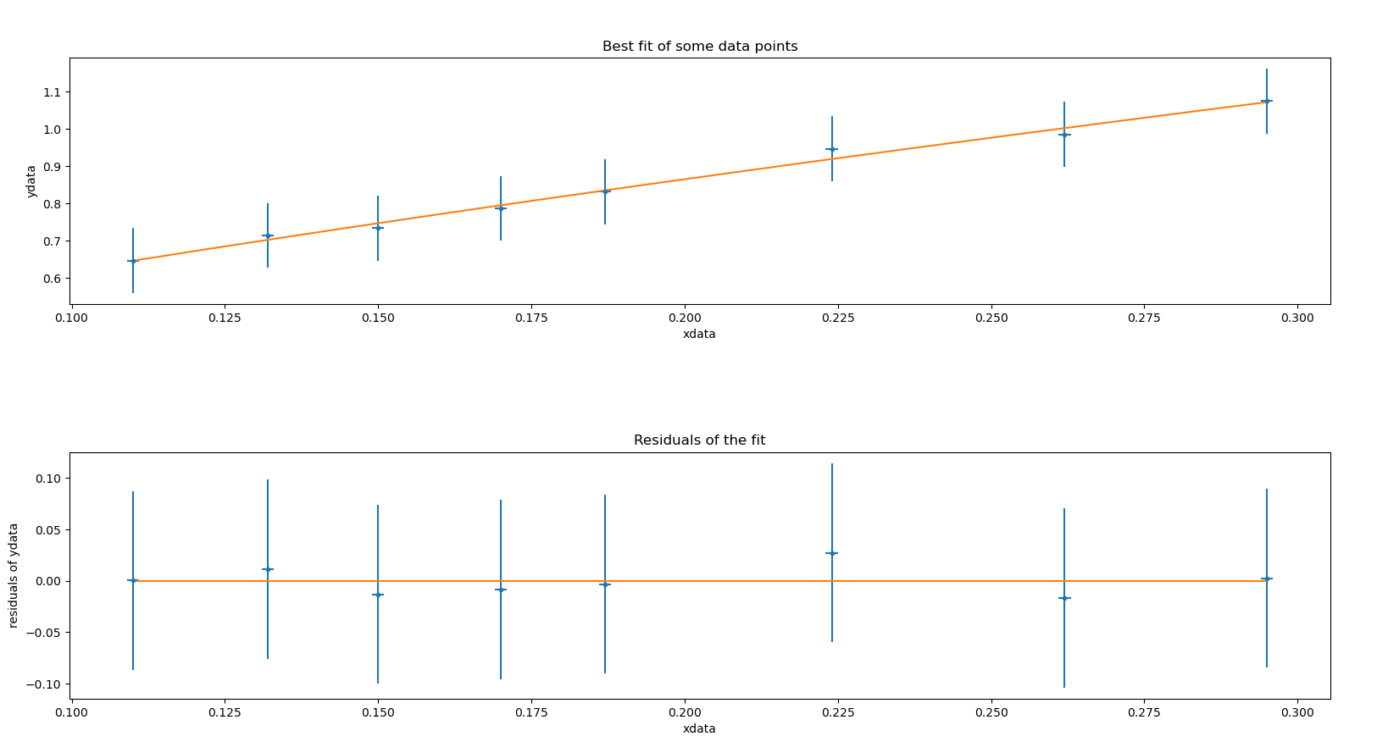
Calibrate Time | Error
5.08 | 0.08 |  | Avg | 0.087
5.21 | 0.21
Log period vs. Log length
5.22 | 0.22
5.05 | 0.05
4.98 | 0.02
5.05 | 0.05
5.08 | 0.08
5 | 0
4.96 | 0.04
5.12 | 0.12

Log length | Log period
-0.530177984 | 0.03140846425
-0.5816987087 | -0.006123085059
-0.6497519817 | -0.023650021
-0.7281583935 | -0.07987667371
-0.7695510786 | -0.1040252676
-0.8239087409 | -0.1343039401
-0.8794260688 | -0.1463017882
-0.9586073148 | -0.1890957193

